Print Page 1
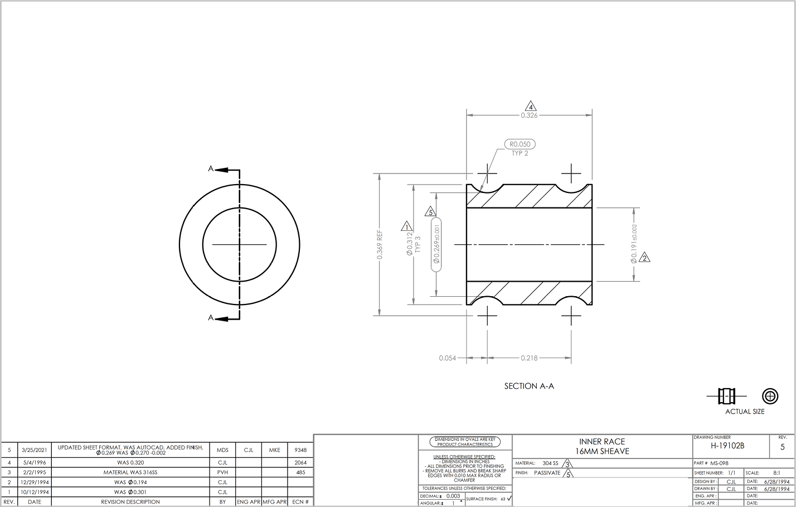

3

5

2
8

1
6

7
4

Tolerance Table
